Sheet1
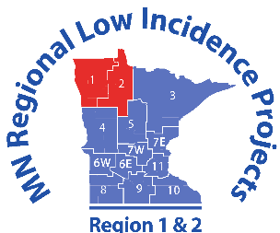


 |  |  |  | Regions 1 & 2 Grants
BEMIDJI REGIONAL INTERDISTRICT COUNCIL -- Brenda Story, Executive Spec Ed Director |  |  |  | Nicole Eck, Regional Low Incidence Facilitator
PO Box 974 Bemidji, MN 56619 218-751-6622 (Office) 218-751-6625 (Fax) |  |  |  | 218-751-6622 #41 (Office) 218-760-6684 (Cell)
REGIONAL STAFF DEVELOPMENT EXPENSE REIMBURSEMENT FORM |  |  |  | neck@bric.k12.mn.us
 |  |  |  | Home Address:
Name:
Name of Workshop, Meeting or Conference Attended: |  |  |  | Work Address:

 | Automobile Travel -- Current IRS Rate Used |  |  | Meals - Itemized Receipts REQUIRED |  |  | Other Expenses
Date of Expense | FROM | TO | TRIP MILES | Breakfast (Max $15) | Lunch (Max $20) | Dinner (Max $30) | Receipts REQUIRED

 |  | SUMMARY TOTALS: | 0 | $0.00 | $0.00 | $0.00 | $0.00
1. Agenda or other documentation from Training/Meeting/Conference must be attached. 2. Mileage will be paid at the lesser of the distance between individual's home and event or workplace and event. |  |  |  |  | TOTAL MILEAGE |  | $0.00
 |  |  |  |  | TOTAL EXPENSES |  | $0.00
 |  |  |  |  | TOTAL REIMBURSEMENT |  | $0.00

I declare under the penalties of perjury that this claim is just and correct and that no other payment has been received nor will beclaimed for same expenses.

Claimant Signature: |  |  |  |  |  | Date:

Representative Signature: |  |  |  |  |  | Date:
 |  |  |  |  |  |  | January 2020

